correlation
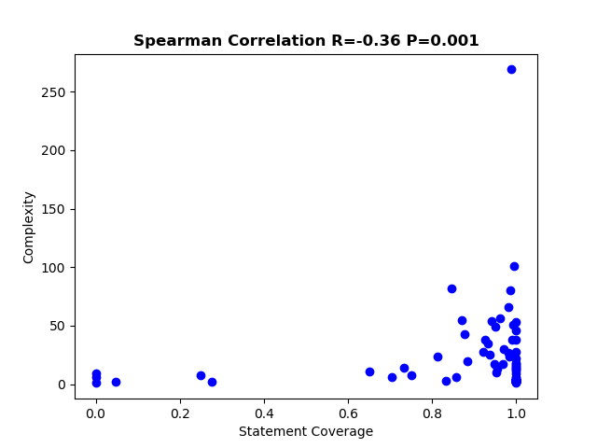
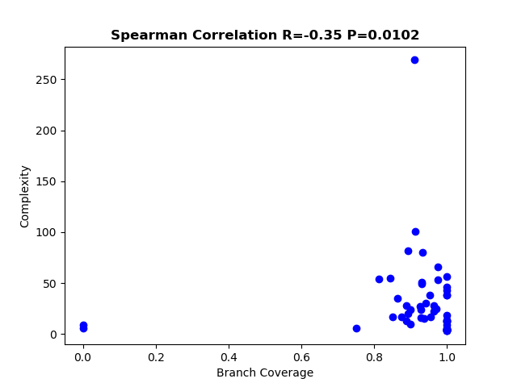
Total Statement coverage | 0.959069021
Total Branch coverage | 0.918337408

